PDA Template
 |  |  |  | PDA 2025 goal setting

 | Employee and Career Data |  |  |  |  |  |  | Instructions and Supporting-links

 | Employee Name |  |  |  | Job Title

 | People Manager |  | Country |  | Reporting Manager |  |  | Click on the "Country"-box, and a drop-down menu will show - choose a Country

 | Goals

 | Use this template to document your goals to easily copy paste them into Workday (our global HR system) when launched. All employees are responsible for documenting their goals in Workday. INSTRUCTIONS: In the PDA process in Workday, you can relate goals to three categories. It is mandatory for all employees to have Performance and Behavior goals. Learning & Development goals are there to support your professional development. 1.Performance Goal – WHAT you should deliver in your role. Related to Munters strategy and business plan. 2.Behavior Goal – HOW you should deliver based on Core Values (Individual Contributors) and Leadership Framework (Managers) 3.Learning & Development Goal – activities to support growth and performance in current or future positions, for instance developing a professional/technical skill. NOTE: To start a new line of text or add space inside a cell, press Alt + Enter

 | 2025 Goals: Add approx 3 Performance goals and 1-3 Behavior goals. Learning & Development goals are optional. |  |  |  |  | Goal Category | Due Date
 |  |  |  |  |  |  |  | Click here to read more about the NEW Evaluation Scale

 | Goal name: |  |  |  |  |  | 202X-x-x | Click here to get support to set PERFORMANCE goals
 | Goal Description:
 |  |  |  |  |  |  |  | Click here to get support to set BEHAVIOR goals as an INDIVIDUAL CONTRIBUTOR

 | Goal name: |  |  |  |  |  | 202X-x-x | Click here to get support to set BEHAVIOR goals as a MANAGER
 | Goal Description:
 |  |  |  |  |  |  |  | Click here to get support to set LEARNING & DEVELOPMENT goals

 | Goal name: |  |  |  |  |  | 202X-x-x
 | Goal Description:

 | Goal name: |  |  |  |  |  | 202X-x-x
 | Goal Description:

 | Goal name: |  |  |  |  |  | 202X-x-x
 | Goal Description:

 | Goal name: |  |  |  |  |  | 202X-x-x
 | Goal Description:

 | Goal name: |  |  |  |  |  | 202X-x-x
 | Goal Description:

 | Goal name: |  |  |  |  |  | 202X-x-x
 | Goal Description:

 | Goal name: |  |  |  |  |  | 202X-x-x
 | Goal Description:

 | Goal name: |  |  |  |  |  | 202X-x-x
 | Goal Description:

 | Goal name: |  |  |  |  |  | 202X-x-x
 | Goal Description:

 | Goal name: |  |  |  |  |  | 202X-x-x
 | Goal Description:

SMART GOALS

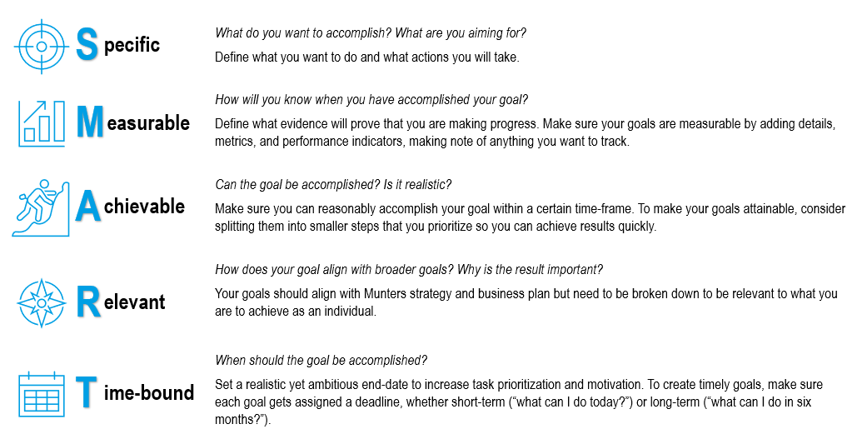

 |  | R

 | New Rating Scale for PDA appraisal

Performance goals examples
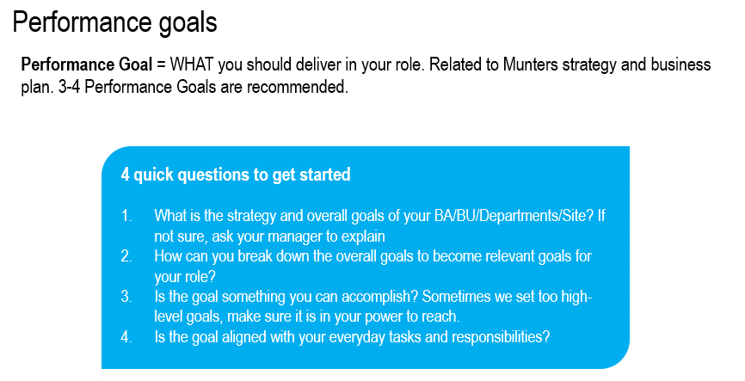
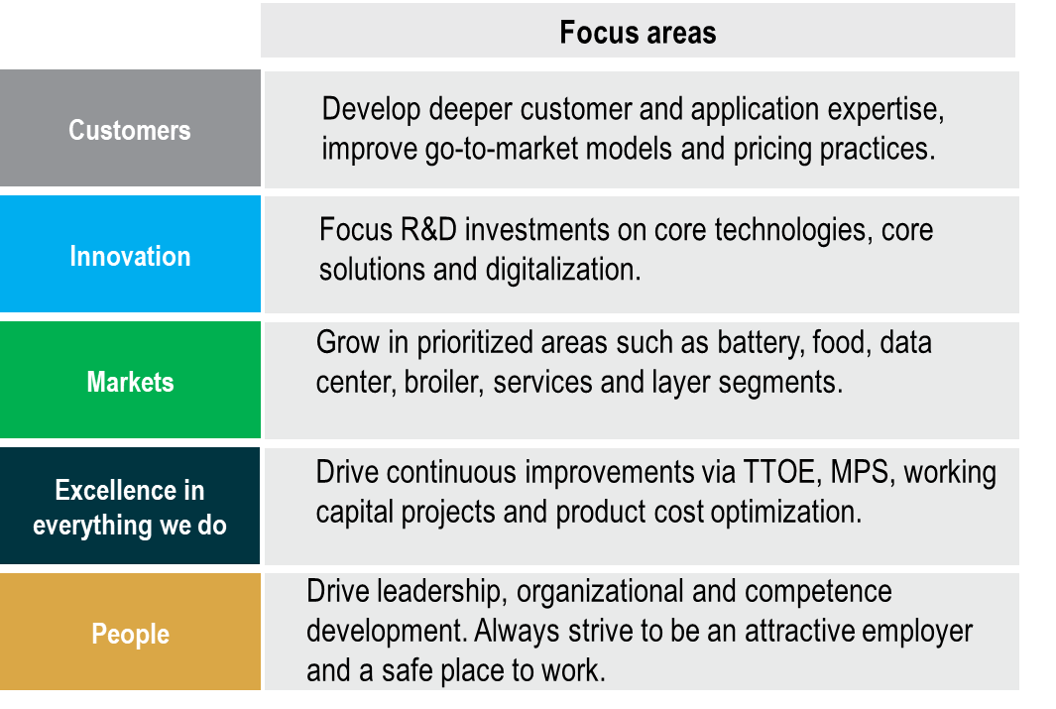

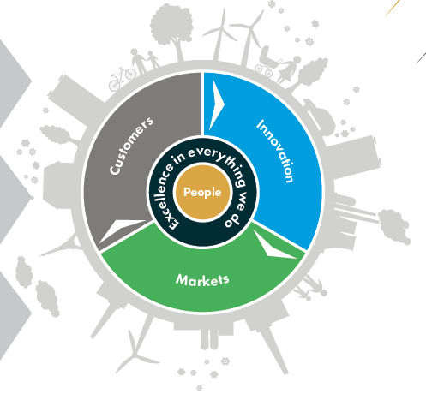

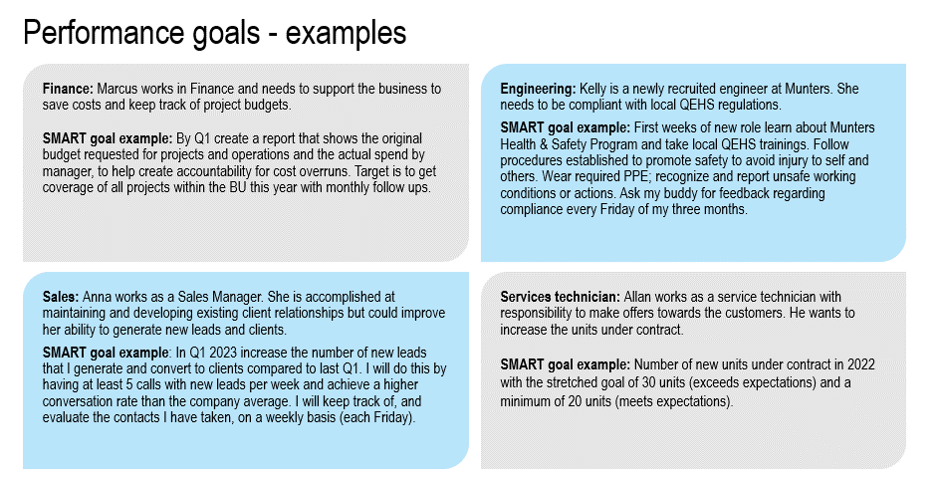

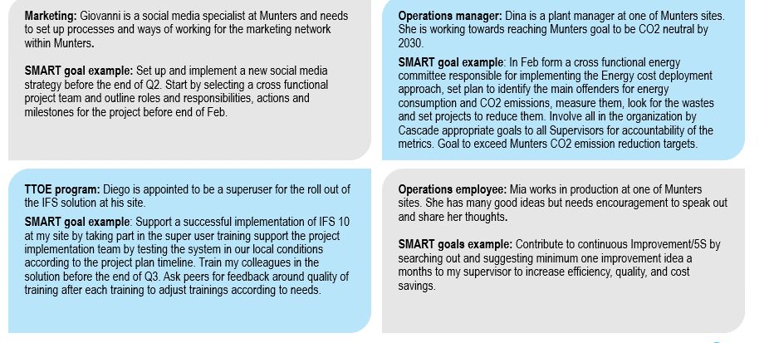

Behavior goals Employees
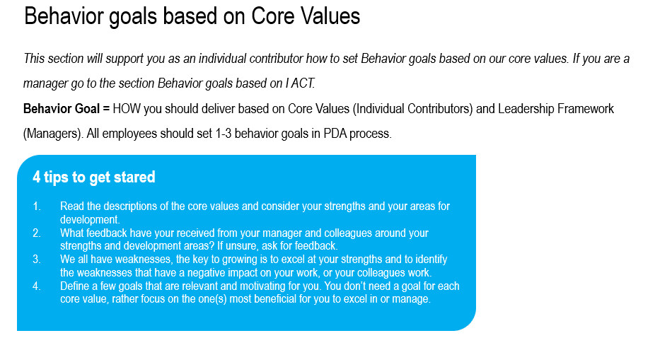

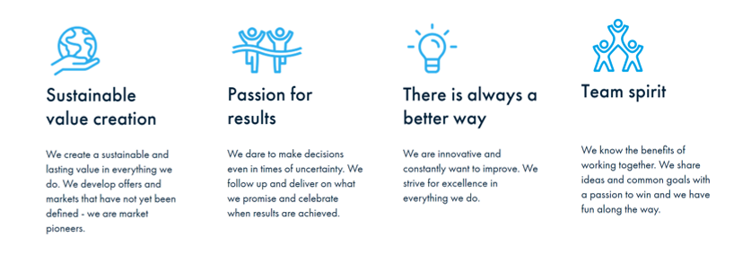

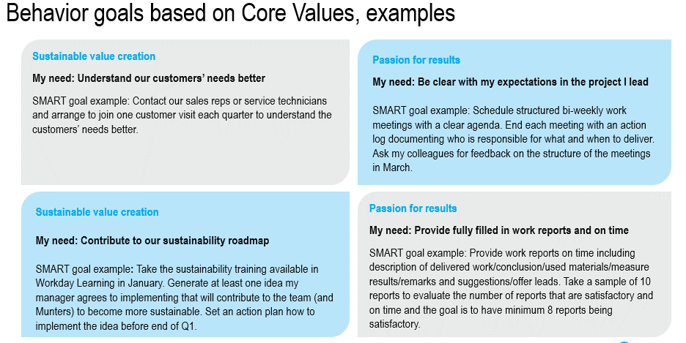

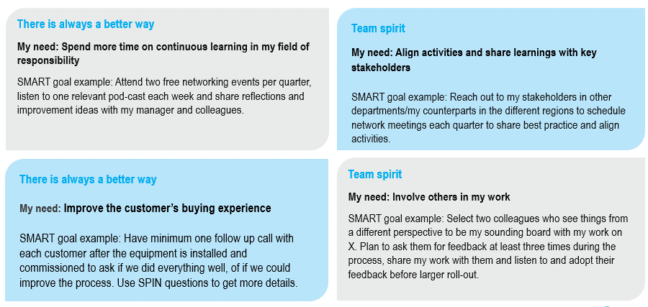

Behavior goals Managers
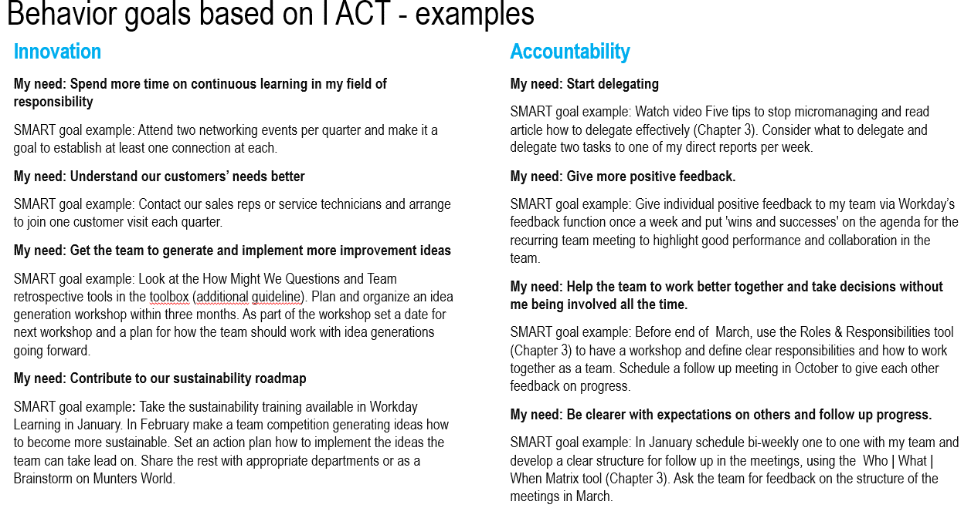
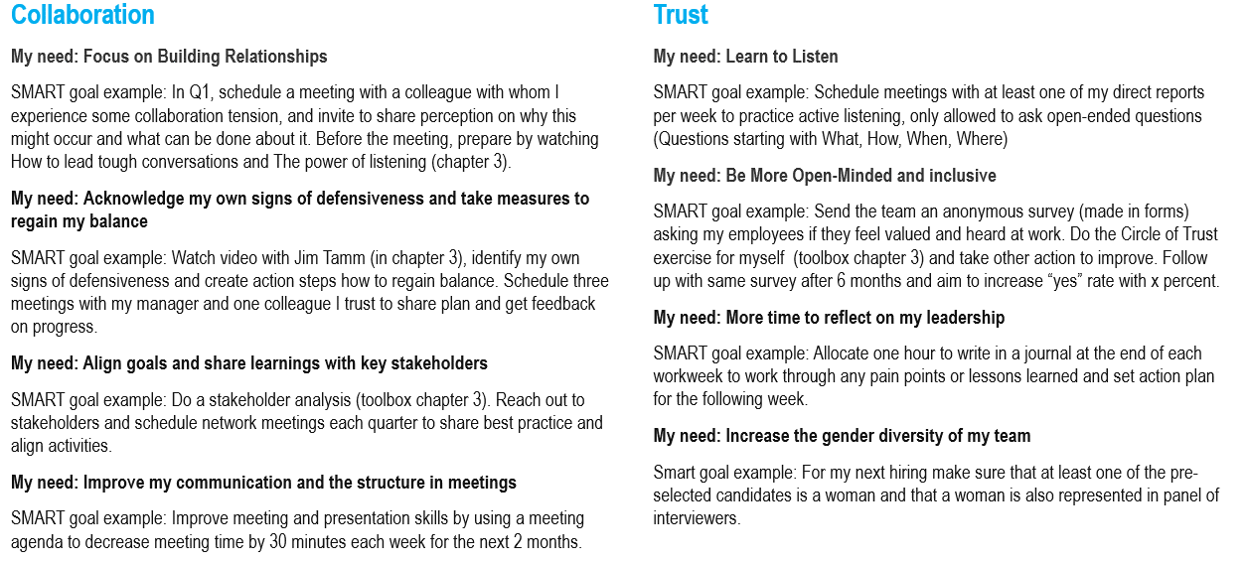
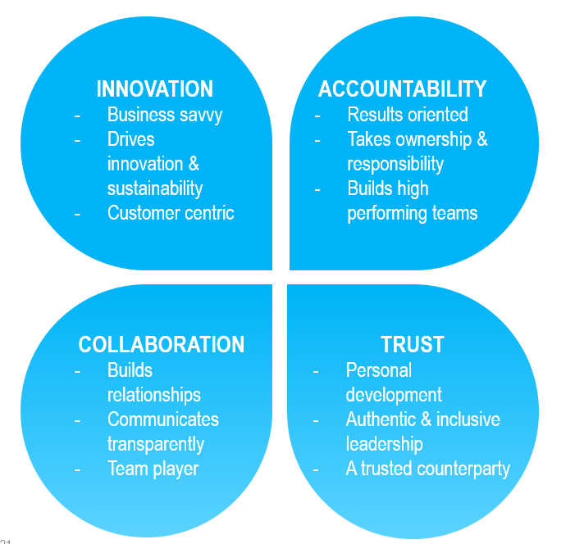
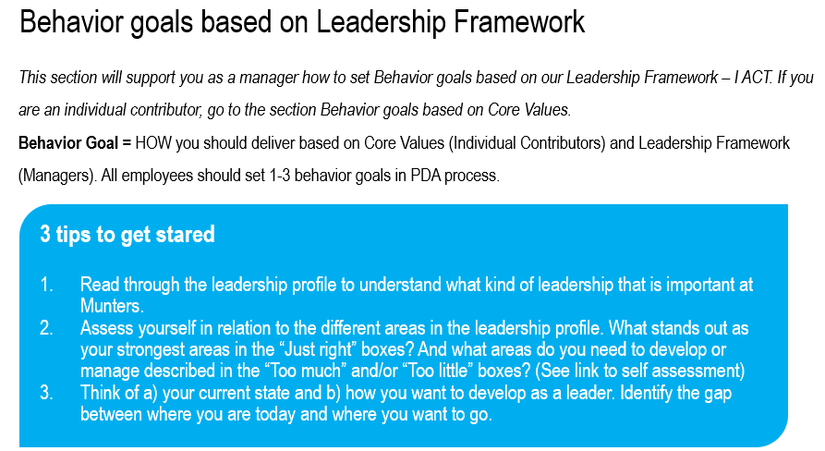

 | Innovation, Accountability, Collaboration and Trust ( I ACT) are the building blocks of Munters Leadership Framework. They serve as the foundation for how we lead ourselves, others and the business.

I ACT - guide to self assessment and PDA behavior goal setting LINK
Referred videos, tools and articles below are all to be found via the link above

Learning & Development goals
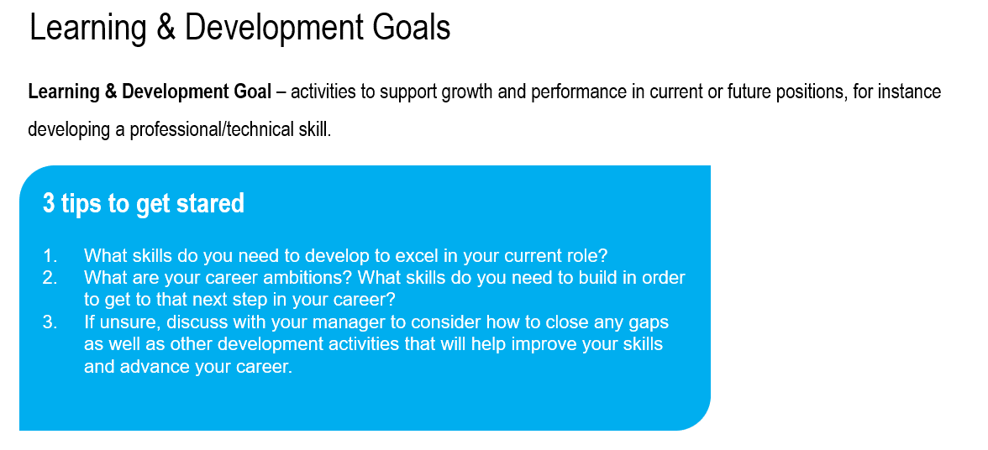

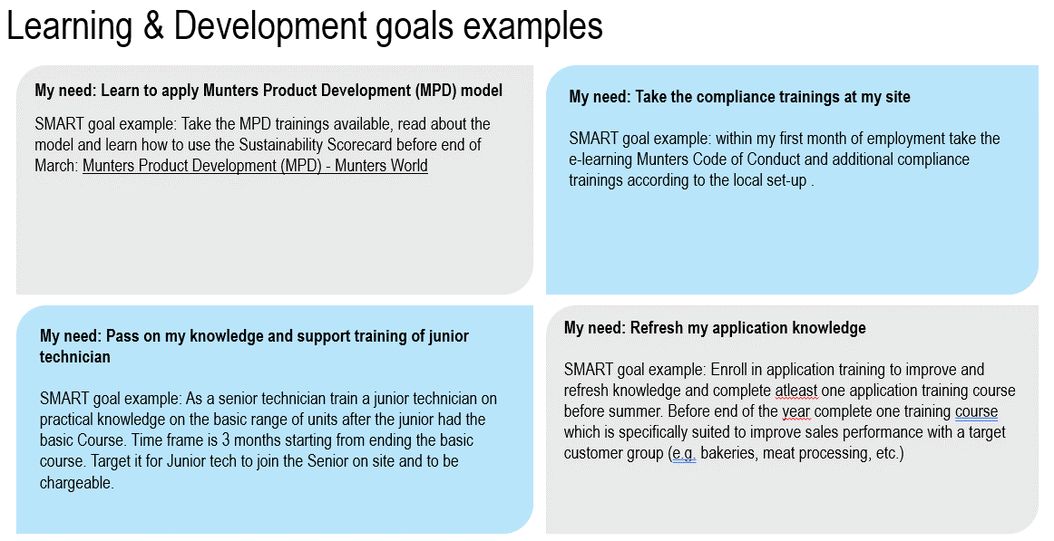

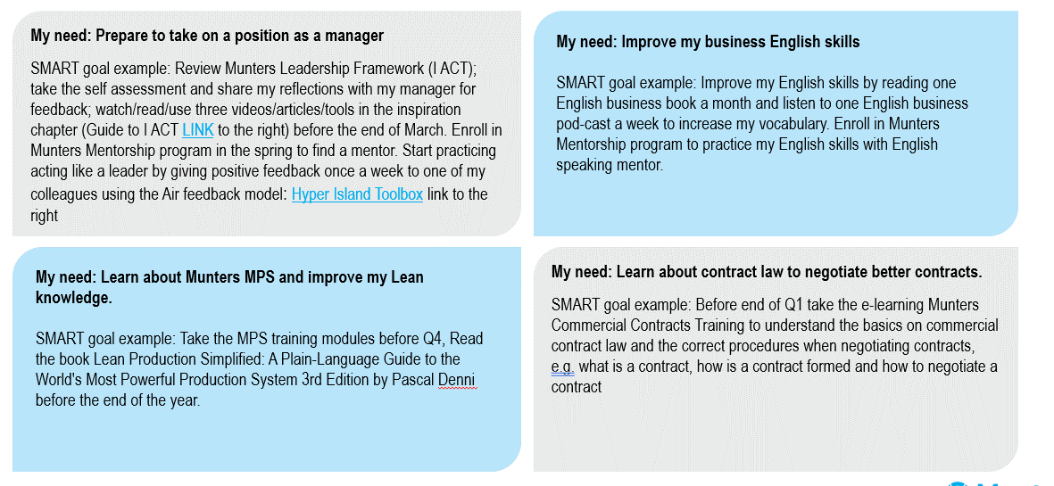

I ACT - guide LINK

Hyper Island Toolbox LINK

